Bug sheet
Sr. No. | Date | QA Name | Module Name | Sub Module Name | Severity | Priority | Issue Type | Steps | Issue Description | Status | Assignee | Screen Shot | OS | Device | Build Version | Browser | Verified Date | Verified By | Comment (Write own name after comment)
1 | 18/12/2018 | Nikhil | Home | - | Medium | Medium | UI | 1.Go to URL 2. Verify Project in Progress Box | "More >" is missing | New | Developer | - | - | - | - | Chrome
2 | 18/12/2018 | Nikhil | Home | - | High | High | UI | 1. Go to URL 2. Verify Staff Section | though no of active assignments are found however showing "OPS Staff Count Not Found" as default text on home page which seems incorrect, should be '0' is no concern data found instade of that default text. | New | Developer | - | - | - | - | Chrome
3 | 18/12/2018 | Nikhil | Staff | openRole | Critical | High | Functional | 1. Go to URL 2. Cick to "On Branch Box" in Staff Section On Home Page 3. Click on Any Project Name | Showing Error messages, Respective Project Details are Not Shown once the page is refreshed or compeltly reloaded forcefully , seems like state management problems | New | Developer | - | - | - | - | Chrome
4 | 18/12/2018 | Nikhil | Home |  | High | High | UI | 1. Go to URL 2. Cick to Top Right Dropdown of Location | Improper naming "Name 1 , Name 2" | New | Developer | - | - | - | - | Chrome
5 | 18/12/2018 | Nikhil | Home | - | Critical | High | Functional | 1. Go to URL 2. Cick to Top Right Dropdown of Location 3. Click to any Location Ex "Name 1" | Showing the same Data Everytime, function not working | New | Developer | - | - | - | - | Chrome
6 | 18/12/2018 | Nikhil | Project | Project Logs | Critical | High | UI | 1. Go to URL 2. Cick to "Project In Progress Box" in Project Summery Section On Home Page 3. refresh the whole page resources by pressing "Ctrl + F5" | Showing Error messages unnecessarily , Caching and State management is not maintained , Mojor functionality are found not wokring properly due to this issue. | New | Developer | - | - | - | - | Chrome
7 | 18/12/2018 | Nikhil | Staff | openRole | Critical | Critical | Functional | 1. Go to URL 2. Cick to "Project In Progress Box" in Project Summery Section On Home Page 3. Click on any "3 dots" 4. click to Project role or Project team | Showing Error messages, Respective Functionality Not Working Properly Due To Frequent Session Expire | New | Developer | - | - | - | - | Chrome
8 | 18/12/2018 | Nikhil | Staff | openRole | Critical | Critical | Functional | 1. Go to URL 2. Cick to "Project In Progress Box" in Project Summery Section On Home Page 3. click to Project role or Project team | In Summery tab Project Number, Project Name Fields are allowing inappropriate data to get entered by user. | New | 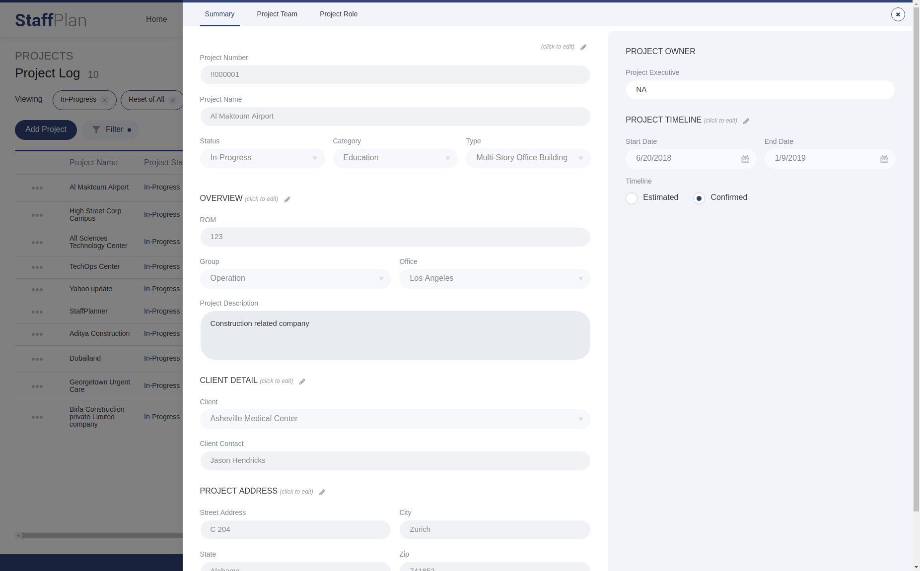 Developer | - | - | - | - | Chrome
9 | 18/12/2018 | Nikhil | Project | Project Logs | Critical | Critical | Functional | 1. Go to URL 2. Cick to "Project In Progress Box" in Project Summery Section On Home Page 3. click to Add Project and enter same data that other project is already having | major issue of Data Redundancy is found in Add Project Functionallity.two or more projects with same data is allowed. | New | Developer | - | All | - | - | Chrome
10 | 18/12/2018 | Nikhil | Login | Forget Password | Critical | Critical | Functional | 1. Go to URL 2. Cick to Forget password. | automatically redirecting to the home page without authentication | New | Developer | - | All | - | - | Chrome
11 | 18/12/2018 | Nikhil | Home |  | High | High | UI | 1. Go to URL 2. Enter Credential Details and Sign In | Browser UI Design Competibility issue with Firefox Browser , Top right Element is auto shifted down, also sign out option is disappear in resolution of browser gets smaller. | New | Developer | - | Ubantu | - | - | Mozila Firefox
12 | 18/12/2018 | Nikhil | Project | Project Logs | Medium | Medium | UI | 1. Go to URL 2. Cick to "Project In Progress Box" in Project Summery Section On Home Page 3. Click on Filter and Set your Custome Filter | Custome Fiter is working fine but in Viewing section the " Cross Sign " leads to misinterpretation .User might try to remove that custome filter using that "Cross Sign" | Suggestion | Developer | - | All | - | - | Chrome
13 | 18/12/2018 | Nikhil | Project | Project Logs | High | High | Functional | 1. Go to URL 2. Cick to "Project In Progress Box" in Project Summery Section On Home Page 3. Click on Print Button | Print Button Functionallity is not Working, leads to auto redirect on Home Page | New | Developer | - | All | - | - | Chrome
14 | 18/12/2018 | Nikhil | Project | Project Logs | High | High | Functional | 1. Go to URL 2. Cick to "Project In Progress Box" in Project Summery Section On Home Page 3. Click On Filter to Custome Filter | In Project Type Dropdown all Project Types Are Not Shown | New | Developer | - | All | - | - | Chrome
15 | 18/12/2018 | Nikhil | Project | Project Logs | High | High | Functional | 1. Go to URL 2. Cick to "Project Request Box" in Projects Section On Home Page | System is Only Showing "Project Progress List" Every Time User click on any of the Boxes shown on Home Page in "Project Section" , Autofilter as per Seletion criteria functionality is missing. | New | Developer | - | All | - | - | Chrome
16 | 18/12/2018 | Nikhil | Staff | Staff Logs | High | High | UI | 1. Go to URL 2. Cick to Staff Tab | In staff log page many UI changes are required such as Top heading style is not given as other pages are having , Some Buttons Are not shown properly, All Components CSS must be same as other pages have. | New | Developer | - | All
Staff | 18/12/2018 | Nikhil |  | Staff Logs | Critical | Critical | UI | 1. Go to URL 2. Cick to Staff Tab 3. Click On + New Staff | In Add New Staff Form "Contact No (Cell , Home ),First Name , Last Name , Middle Name " Fields are allowing inappropriate data to get entered by user. | New | 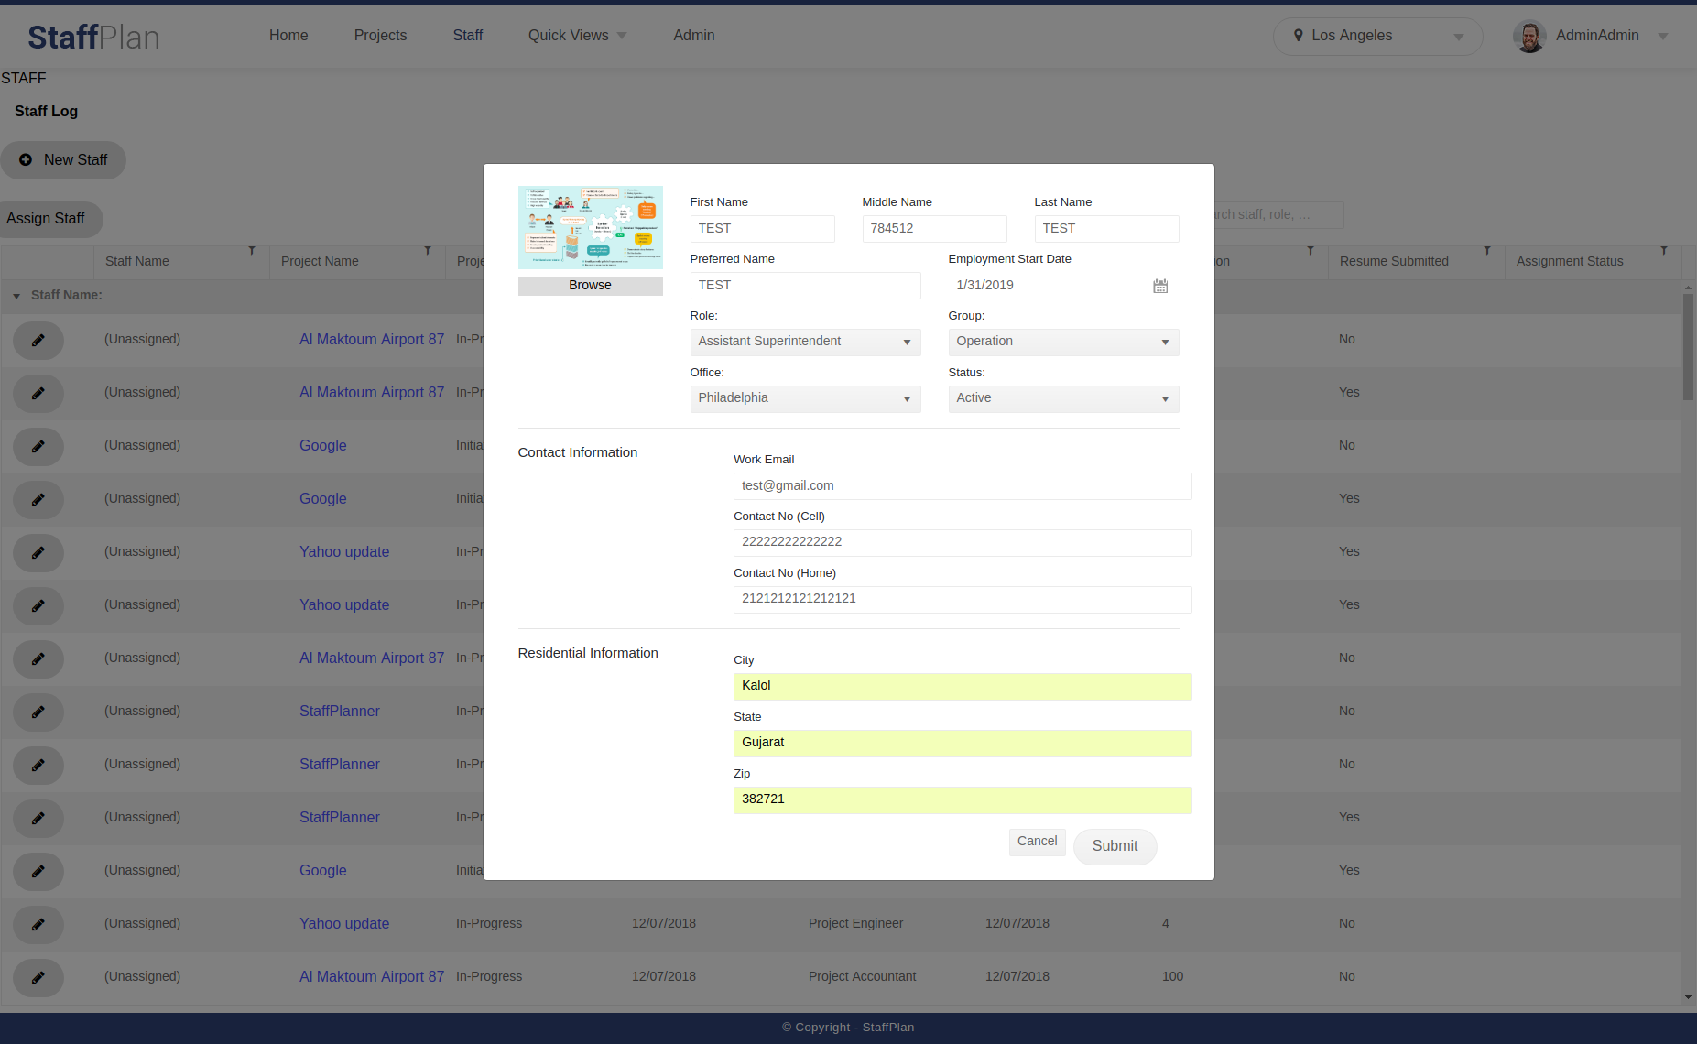 Developer |  | All |  |  | Chrome
18 | 18/12/2018 | Nikhil | Staff | Staff Logs | Medium | Medium | UI | 1. Go to URL 2. Cick to Staff Tab 3. Click On Filter | the cursor css is not set proper, when cursor is put hover to the "clear all filters , cancle , apply " option cursor style is set to " text " in the filter box of the staff log page. | New | Developer | - | All | - | - | Chrome
19 | 18/12/2018 | Nikhil | Home | - | Medium | Medium | UI | 1.Go to URL 2. Sign In 3. Click On Admin Staff under Current Staff Summery Section. | Both Admin Staff and OPS Staff do not show any further details when user click on any of them. | New | Developer |  | All |  |  | Chrome
20 | 18/12/2018 | Nikhil | Admin | Create New User | Critical | Critical | Functional | 1. Go to URL 2. Cick to Admin Tab 3. Fillup Form Detail And Submit | In Create New User Form "First Name , Last Name , Middle Name , city zip code" Fields are allowing inappropriate data ("special symbols") to get entered by user. | New | Developer |  | All |  |  | Chrome

